Sheet1
8
9
 | Capacitors From www.madisoundspeakerstore.com/capacitors/
AR9 Crossover
 | 1. (2)Bennic 1000µF + (1)Bennic 500µF = 2500µF |  |  |  |  |  |  | 1000µF
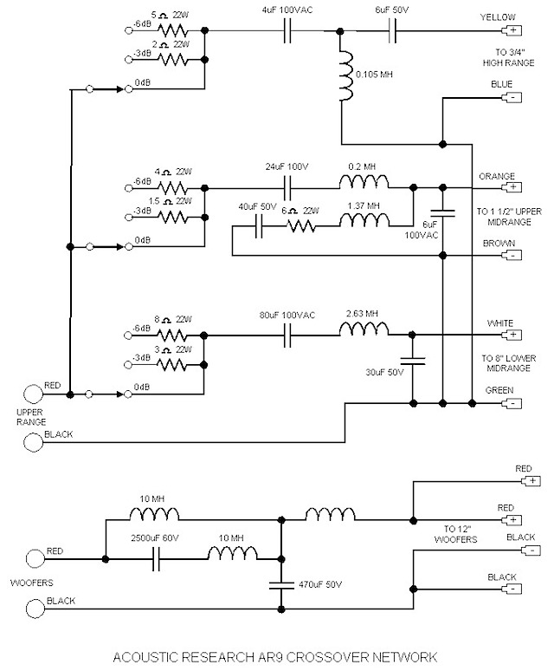
 |  | (wired in parallel) |  | Click on pictures to see |  |  |  | 500µF

 | 2. (1)Bennic 330µ + (1)Bennic 140µF = 470µF |  |  |  |  |  |  | 330µF

 |  | (wired in parallel) |  | Click on pictures to see |  |  |  | 140µF

 | 3. Solen 30µF Fast Cap 400V

7
 |  |  |  | Click on pictures to see

 | 4. Bennic 80µF
6
5
 |  |  |  | Click on pictures to see

 | 5. Solen 6µF Fast Cap 400V

 |  |  |  | Click on pictures to see

4
 | 6. Solen 40µF Fast Cap 400v

 |  |  |  | Click on pictures to see
3
 | 7. (2)Solen 12µF Fast Cap 400v

 |  | (wired in parallel) |  | Click on pictures to see

 | 8. Solen 4µF Fast Cap 400v

 |  |  |  | Click on pictures to see

 | 9. Solen 6µF Fast Cap 400v

1
2
 |  |  |  | Click on pictures to see
 | Parts List (for a pair of AR9's) as of 11/4/2012
 | QTY |  | Capacitor |  | Price |  | Total
 | 4 |  | Bennic 1000µF 100v |  | $10.25 |  | $41.00
 | 2 |  | Bennic 500µF 100v |  | $7.35 |  | $14.70
 | 2 |  | Bennic 330µF 100v |  | $5.40 |  | $10.80
 | 2 |  | Bennic 140µF 100v |  | $3.50 |  | $7.00
 | 2 |  | Bennic 80µF 100v |  | $2.20 |  | $4.40
 | 2 |  | Solen 30µF Fast Cap 400v |  | $11.25 |  | $22.50
 | 2 |  | Solen 6µF Fast Cap 400v |  | $3.65 |  | $7.30
 | 2 |  | Solen 40µF Fast Cap 400v |  | $13.95 |  | $27.90
 | 4 |  | Solen 12µF Fast Cap 400v |  | $5.95 |  | $23.80
 | 2 |  | Solen 4µF Fast Cap 400v |  | $3.05 |  | $7.10
 | 2 |  | Solen 6µF Fast Cap 400v |  | $3.65 |  | $7.30

 |  |  |  |  |  | Total | $173.80

